Pressure Drop Calculator
DTI Venturi Junk Baskets
Pressure Drop Calculator - Liquid

Notes
For the most efficient operation select a combination of flow rate and nozzle size to achieve a pressure drop of between 500 psi and 1000 psi.
If using a motor of if surface circulation is an issue then select nozzles and flow rate to achieve a pressure drop of between 300 psi and 500 psi.

Job Notes

 |  | Input Values

 |  | Jet Nozzle ID | 0.187 | inches
 |  | Number of Jetting Nozzles | 3
 |  | Flow Rate | 2.5 | bbls/min
 |  | Fluid Density | 8.33 | lbs/gal

 | Equivalent Flow Rates in Other Units

 |  | Flow Rate | 105 | Gallons per minute
 |  | Flow Rate | 397 | Litres per minute

 |  | Output Values

 |  | Flow Area Through Nozzles | 0.082 | in2
 |  | Velocity of Fluid Through Nozzles | 408 | ft/second
 |  | Pressure Drop Through Nozzles | 1246 | psi

Source: | Formulas and Calculation for Drilling, Production and Workover, Norton J. Lapeyrouse, 1992

Written by: |  |  |  |  | Date:

References

 | Jetting Nozzles

 | Part No. | Part No. | Choke ID |  | Nozzle Design
 | 1 11/16" to 2 1/2" | 3 1/8"
 | 50369-062 | AA56217-062 | 0.062 | in | 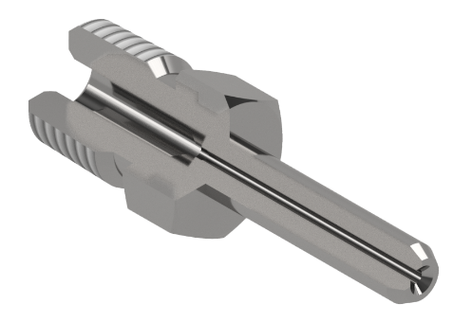
 | 50369-078 | AA56217-078 | 0.078 | in
 | 50369-094 | AA56217-094 | 0.094 | in
 | 53069-109 | AA56217-109 | 0.109 | in
 | 53069-125 | AA56217-125 | 0.125 | in
 | 53069-140 | AA56217-140 | 0.140 | in
 | 53069-156 | AA56217-156 | 0.156 | in
 | 50369-171 | AA56217-171 | 0.171 | in
 | 50369-187 | AA56217-187 | 0.187 | in

 | Fluid Density Examples |  |  | Maximum Number of Jetting Nozzles

 | Fluid | lb / Gal |  |  | Tool Size | Qty
 | Oil | 7.20 |  |  | 1 11/16" | 2
 | Fresh Water | 8.33 |  |  | 2 1/16" | 3
 | Salt Water | 9.63 |  |  | 2 1/8" | 3
 | Liquid N2 | 10.40 |  |  | 2 5/8" | 3
 | Cement slurry | 16.20 |  |  | 2 7/8" | 3
 |  |  |  |  | 3 1/8" | 3

