Sheet1
DTI MULTILATERAL ENTRY CHOKE PROBE LENGTH GUIDE
The DTI Multi Lateral Entry System calculator advises on the required length of tool string below the knuckle to give the best chance of locating and entering the lateral. Input the values for the shape of the lateral and then enter the tool string OD. For guidance on the length of tools below the knuckle adjust the length of the straight bar (if using) and Flow Sub/Choke Sub until all ouput values are green.
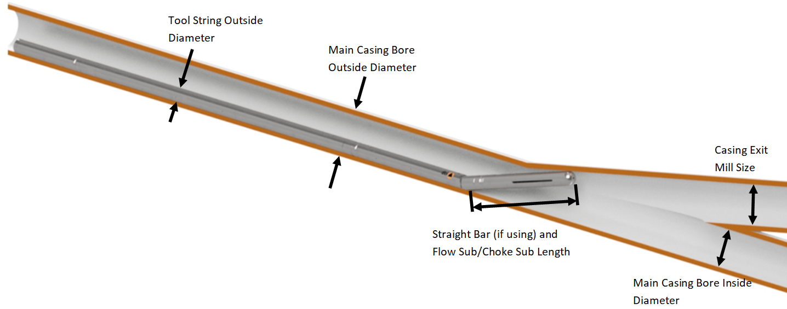
Job Notes

Input Values - Lateral Construction

Main Bore Casing Outside Diameter | 7.000
Main Bore Casing Inside Diameter | 6.059
Casing Exit Mill Size | 4.000

Input Values - Tool String

Multi Lateral Tool String Outside Diameter | 1.687
Straight Bar Length | 0.00 | Max 12" (enter 0 if no Straight Bar added)
Flow Sub/Choke Sub Length | 25.00

Fixed Value

Hydraulic Knuckle Bend Length | 5.40

Output Values

Articulated Angle Inside Main Bore (A) | 9.9 |  | Ideal range is 7-10°

Articulated Angle at Junction (B) | 15.0 |  | Should be 15°
Choke Probe Nose clearance of Main Bore (C) | 1.34 |  | Should be more than 1.10
Choke Probe Nose clearance of Open Hole (D) | 0.50 |  | Should be positive

Written by |  | Date

